Bug 9
Bug #: | 9
Product: | TextPad
Build #: | 7.0.7
OS: | Windows 10 Pro
Severity: | Low
Summary: | Truncation "Working Folder" in "Rename" dialog.
Description: | Steps to reproduce: 1. Launch 'TextPad' 2. Go to 'File' -> 'Manage Files…' -> 'Rename' 3. "Working Folder" truncations. Expected result: There are no truncations Actual result: There are truncations
Attachment: | 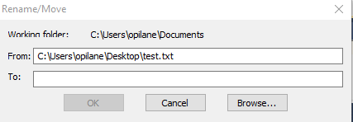

Bug 10
Bug #: | 10
Product: | TextPad
Build #: | 7.0.7
OS: | Windows 10 Pro
Severity: | Low
Summary: | Misalignment "Working Folder" in "Rename" dialog.
Description: | Steps to reproduce: 1. Launch 'TextPad' 2. Go to 'File' -> 'Manage Files…' -> 'Rename' 3. "Working Folder" misalignment. Expected result: There are no misalignments Actual result: There are misalignments
Attachment: | 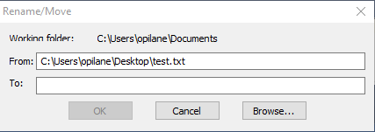

Bug 11
Bug #: | 11
Product: | TextPad
Build #: | 7.0.7
OS: | Windows 10 Pro
Severity: | Low
Summary: | Misalignment "To" in "Rename" dialog.
Description: | Steps to reproduce: 1. Launch 'TextPad' 2. Go to 'File' -> 'Manage Files…' -> 'Rename' 3. "To" misalignment. Expected result: There are no misalignments Actual result: There are misalignments
Attachment: | 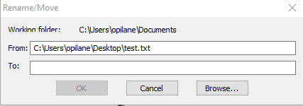

Bug 12
Bug #: | 12
Product: | TextPad
Build #: | 7.0.7
OS: | Windows 10 Pro
Severity: | Medium
Summary: | Rename with wrong format in 'Rename' dialog.
Description: | Steps to reproduce: 1. Launch 'TextPad' 2. Go to 'File' -> 'Manage Files…' -> 'Rename' 3. Rename 'txt' file. Expected result: Rename 'txt' file save 'txt' format Actual result: Rename 'txt' file doesn't save 'txt' format, work only if you add '.txt' to name. For example: 'test1' -> 'test1.txt'
Attachment: | 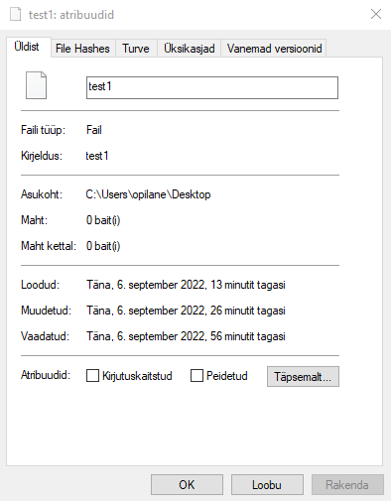

Bug 15
Bug #: | 15
Product: | TextPad
Build #: | 7.0.7
OS: | Windows 10 Pro
Severity: | Low
Summary: | Misalignment "Working Folder" in "Copy" dialog.
Description: | Steps to reproduce: 1. Launch 'TextPad' 2. Go to 'File' -> 'Manage Files…' -> 'Copy' 3. "Working Folder" misalignment. Expected result: There are no misalignments Actual result: There are misalignments
Attachment: | 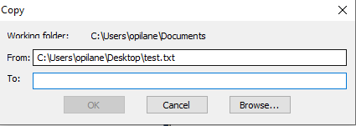

Bug 16
Bug #: | 16
Product: | TextPad
Build #: | 7.0.7
OS: | Windows 10 Pro
Severity: | Low
Summary: | Truncation "Working Folder" in "Copy" dialog.
Description: | Steps to reproduce: 1. Launch 'TextPad' 2. Go to 'File' -> 'Manage Files…' -> 'Copy' 3. "Working Folder" truncations. Expected result: There are no truncations Actual result: There are truncations
Attachment: | 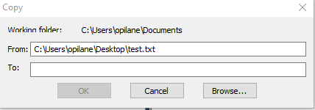

Bug 17
Bug #: | 17
Product: | TextPad
Build #: | 7.0.7
OS: | Windows 10 Pro
Severity: | Medium
Summary: | Rename with wrong format in 'Copy' dialog.
Description: | Steps to reproduce: 1. Launch 'TextPad' 2. Go to 'File' -> 'Manage Files…' -> 'Copy' 3. Copy 'txt' file. Expected result: Copy 'txt' file save 'txt' format Actual result: Copy 'txt' file doesn't save 'txt' format, work only if you add '.txt' to name. For example: 'test1' -> 'test1.txt'
Attachment: | 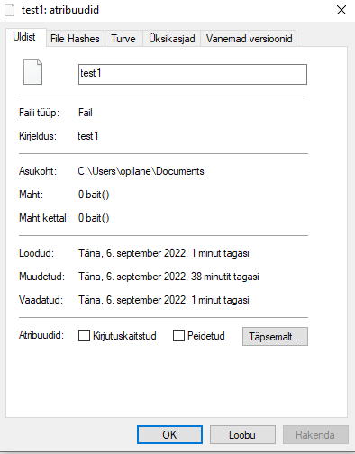

Bug 18
Bug #: | 18
Product: | TextPad
Build #: | 7.0.7
OS: | Windows 10 Pro
Severity: | Low
Summary: | Misalignment "Name: " in "Print" dialog.
Description: | Steps to reproduce: 1. Launch 'TextPad' 2. Go to 'File' -> 'Print… ' 3. 'Name' has misalignment. Expected result: There are no misalignments Actual result: There are misalignments
Attachment: | 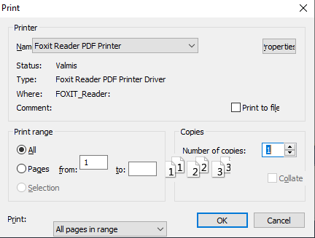

Bug 19
Bug #: | 19
Product: | TextPad
Build #: | 7.0.7
OS: | Windows 10 Pro
Severity: | Low
Summary: | Misalignment "Print range -> from: " in "Print" dialog.
Description: | Steps to reproduce: 1. Launch 'TextPad' 2. Go to 'File' -> 'Print… ' 3. 'Print range -> from: ' has misalignment. Expected result: There are no misalignments Actual result: There are misalignments
Attachment: | 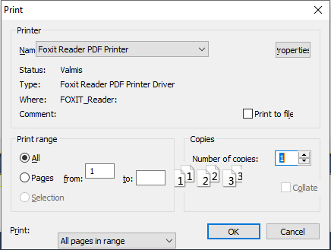

Bug 20
Bug #: | 20
Product: | TextPad
Build #: | 7.0.7
OS: | Windows 10 Pro
Severity: | Low
Summary: | Misalignment "Copies -> Number of copies: " in "Print" dialog.
Description: | Steps to reproduce: 1. Launch 'TextPad' 2. Go to 'File' -> 'Print… ' 3. 'Copies -> Number of copies: ' has misalignment. Expected result: There are no misalignments Actual result: There are misalignments
Attachment: | 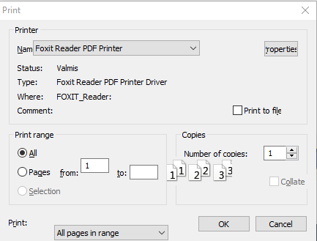

Bug 21
Bug #: | 21
Product: | TextPad
Build #: | 7.0.7
OS: | Windows 10 Pro
Severity: | Low
Summary: | Misalignment "All pages in range" in "Print" dialog.
Description: | Steps to reproduce: 1. Launch 'TextPad' 2. Go to 'File' -> 'Print… ' 3. 'All pages in range' has misalignment. Expected result: There are no misalignments Actual result: There are misalignments
Attachment: | 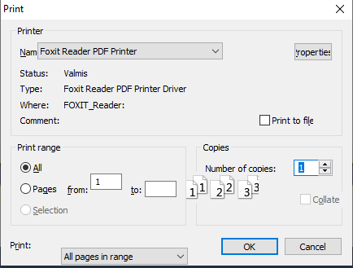

Bug 24
Bug #: | 24
Product: | TextPad
Build #: | 7.0.7
OS: | Windows 10 Pro
Severity: | Low
Summary: | Misalignment "Properties -> Foxit Reader PDF Printer" in "Print" dialog.
Description: | Steps to reproduce: 1. Launch 'TextPad' 2. Go to 'File' -> 'Print -> Properties -> Foxit Reader PDF Printer' 3. 'Edit...' has misalignment. Expected result: There are no misalignment Actual result: There are misalignment
Attachment: | 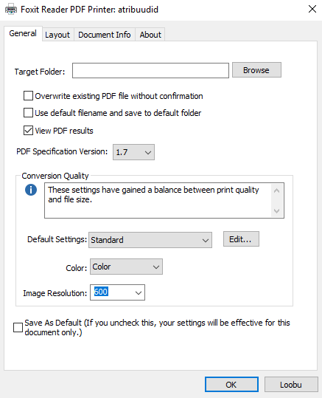

Bug 26
Bug #: | 26
Product: | TextPad
Build #: | 7.0.7
OS: | Windows 10 Pro
Severity: | Low
Summary: | Uncorrect encoding "Parameter" in "Page Setup" dialog.
Description: | Steps to reproduce: 1. Launch 'TextPad' 2. Go to 'File' -> 'Page Setup' 3. 'Parameter' has uncorrect encoding. Expected result: There are no uncorrect encoding. Actual result: There are uncorrect encoding.
Attachment: | 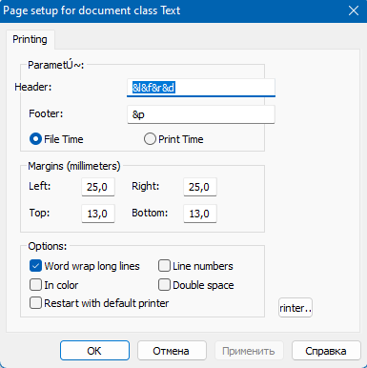

Bug 33
Bug #: | 33
Product: | TextPad
Build #: | 7.0.7
OS: | Windows 10 Pro
Severity: | Low
Summary: | Error to launch "Справка" in "Page Setup" dialog.
Description: | Steps to reproduce: 1. Launch 'TextPad' 2. Go to 'File' -> 'Page Setup' 3. 'Справка' has a lauch error. Expected result: There are no lauch errors Actual result: There are lauch errors
Attachment: | 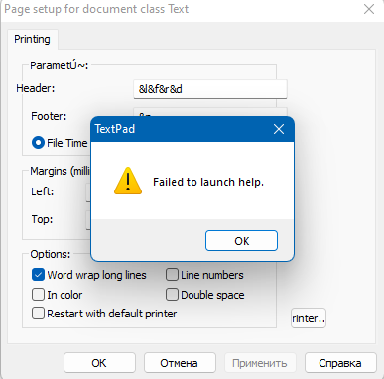

Bug 34
Bug #: | 34
Product: | TextPad
Build #: | 7.0.7
OS: | Windows 10 Pro
Severity: | Low
Summary: | Error to launch "Справка" in "Page Setup" dialog.
Description: | Steps to reproduce: 1. Launch 'TextPad' 2. Go to 'File' -> 'Page Setup' -> 'Printer' 3. 'Справка' has a lauch error. Expected result: There are no lauch errors Actual result: There are lauch errors
Attachment: | 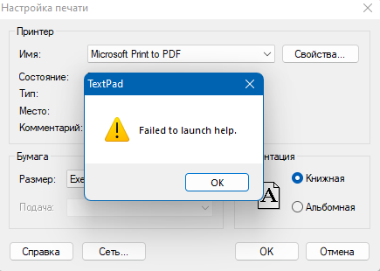

Bug 36
Bug #: | 36
Product: | TextPad
Build #: | 7.0.7
OS: | Windows 10 Pro
Severity: | Low
Summary: | Error "Send".
Description: | Steps to reproduce: 1. Launch 'TextPad' 2. Go to 'File' -> 'Send' 3. 'Send' has a lauch error. Expected result: There are no lauch errors Actual result: There are lauch errors
Attachment: | 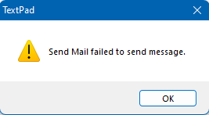

Bug 40
Bug #: | 40
Product: | TextPad
Build #: | 7.0.7
OS: | Windows 10 Pro
Severity: | Low
Summary: | Misalignments "Checkboxes" in "Find" dialog.
Description: | Steps to reproduce: 1. Launch 'TextPad' 2. Go to 'Search' -> 'Find' 3. Checkboxes have misalignments. Expected result: There are no misalignments Actual result: There are misalignments
Attachment: | 